Qualitative Analysis Summary
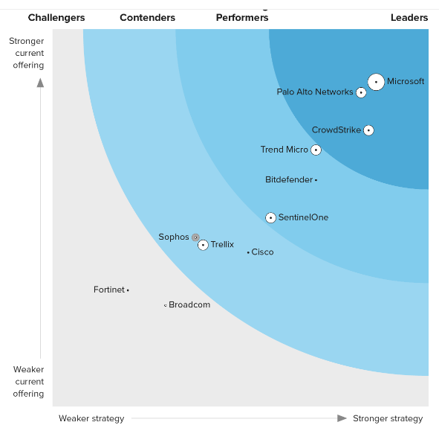
Index | Specification | Cortex XDR for EndPoint Pro | MS Defender for EndPoint Plan 1 | MS Defender for EndPoint Plan 2 | References
 | Functionalities
1 | Threat Detection | Host level/ Application Level/ File Level/ Device Level/ Process Level Monitoring The use of heuristics and behavioral Analysis | Host level/ Application Level/ File Level/ Device Level Monitoring The use of heuristics and behavioral Analysis : More Deeper level visibility for Windows Hosts | Host level/ Application Level/ File Level/ Device Level/ Process Level Monitoring The use of heuristics and behavioral Analysis : More Deeper level visibility for Windows Hosts | https://www.microsoft.com/en-us/security/business/endpoint-security/microsoft-defender-endpoint#x6ca8380afc134706a2b03f1247aa9b2a
2 | Remediation | Automatic | Manual | Automatic
3 | Integration of Threat Intelligence | Allowed | Only VT by default | Allowed
4 | Deception capabilities | Available | Not Available | Available
5 | Sandboxing Capabilities | Both Automatic and Manual Sandboxing | No Sandboxing | Manual Sandboxing
6 | Device Access and Tampering Capabilities | Allowed | Not Available | Allowed
7 | Vulnerability Mgt | Host level VA is Available | Virus Scanning only | Host level VA is Available
 | Other
8 | Quality of the offered services | High | Very high for Windows hosts | Very high for Windows hosts | https://www.microsoft.com/en-us/security/blog/2023/10/23/forrester-names-microsoft-a-leader-in-the-2023-endpoint-security-wave-report/?culture=en-us&country=us
9 | Memory and CPU Usage | Considerably high | Considerably Low for Windows | Considerably Low for Windows
10 | Current level of Market offering | 2 | 1 | 1

